Afiliation_Name
Affiliation: | ALAC (but personal views)
Stakeholder Name: | Alan Greenberg

 | On the next page, for each proposed recommendation (column 1) reviewed, you will see a corresponding Chair's assessment on levels of consensus within column 2. If you haven't been able to support one or more of the recommendations on as is basis, please provide us with alternatives that would allow you to support it or any other comments you might have in column 3. ** Note consensus level assignments are subject to change based on stakeholder responses to the proposal
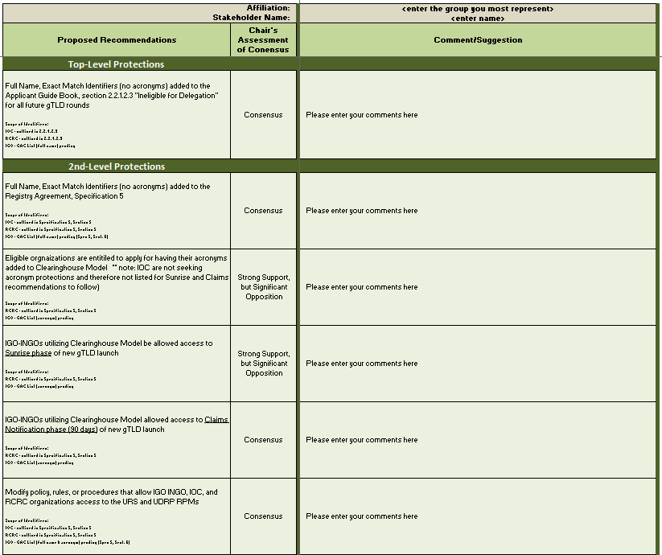
2
3
1
Column 2 Consensus Levels:
Full consensus - when no one in the group speaks against the recommendation in its last readings. This is also sometimes referred to as Unanimous Consensus.
Consensus - a position where only a small minority disagrees, but most agree.
Strong support but significant opposition - a position where, while most of the group supports a recommendation, there are a significant number of those who do not support it.
Divergence (also referred to as No Consensus) - a position where there isn't strong support for any particular position, but many different points of view. Sometimes this is due to irreconcilable differences of opinion and sometimes it is due to the fact that no one has a particularly strong or convincing viewpoint, but the members of the group agree that it is worth listing the issue in the report nonetheless.
Minority View - refers to a proposal where a small number of people support the recommendation. This can happen in response to a Consensus, Strong support but significant opposition, and No Consensus; or, it can happen in cases where there is neither support nor opposition to a suggestion made by a small number of individuals.

Next Page

